Reports
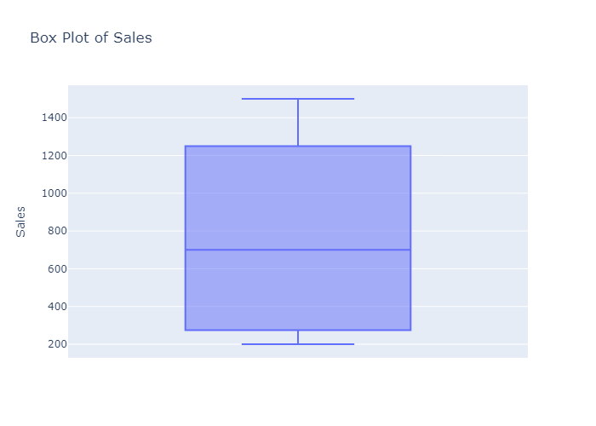
 | count | mean | std | min | 25% | 50% | 75% | max
Sales | 8 | 768.75 | 535.14851076 | 200 | 287.5 | 700 | 1225 | 1500

Histogram of Sales
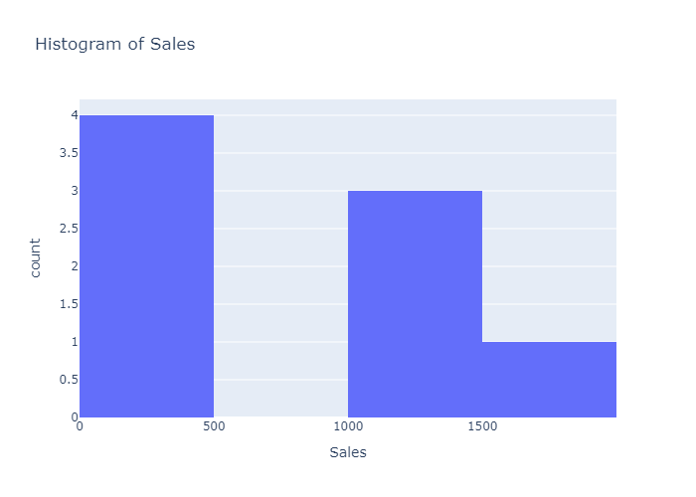

Box Plot of Sales

